Order List
SHENZHEN WETAC TECHNOLOGY CO.,LTD
ROOM 106, BLDG 22, XueHong industrial park, , Futian District, 518000 Shenzhen China
Tel: 86-13530046228 Email: atlastrade@163.com / wetac@188.com
 | PROFORMA INVOICE
TO: | Chelyabinsk Compressor Plant LLC |  | C/I No.: | CI250623
 | 14km of the highway Chelyabinsk-Novosibirsk, Krasnoarmeisky raion 456671, Chelyabinskaya oblast, Russia |  | Date: | 23-Jun-25
 |  |  | Terms of delivery: EXW DongGuang

Item | Description | Quantity (kgs) | Unit Price | Amount
1 | desiccant | 6800 | ￥3 | ￥20,400
2 | Total |  |  | ￥20,400
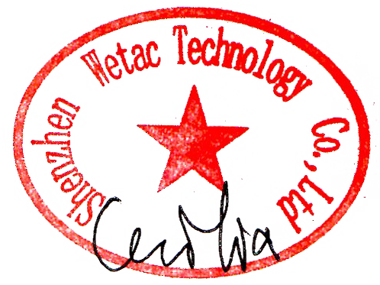
FOC Delivery. Value for customs purposes only.

